DT & RF
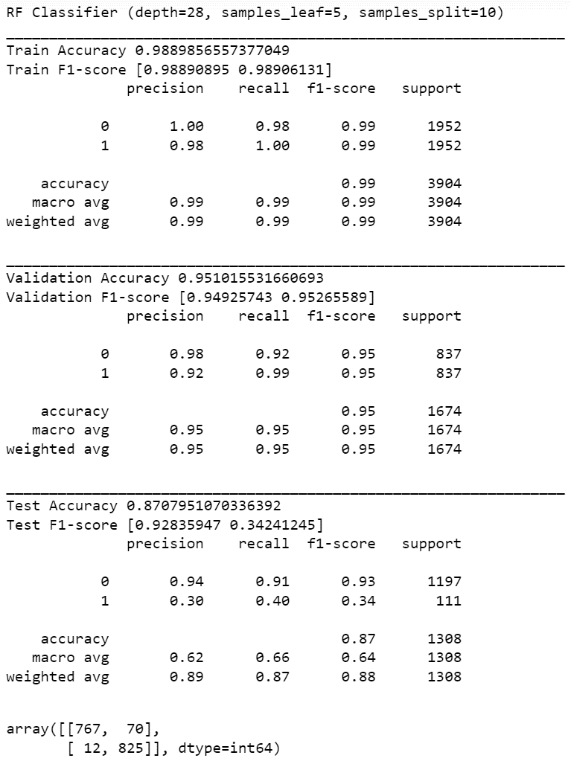
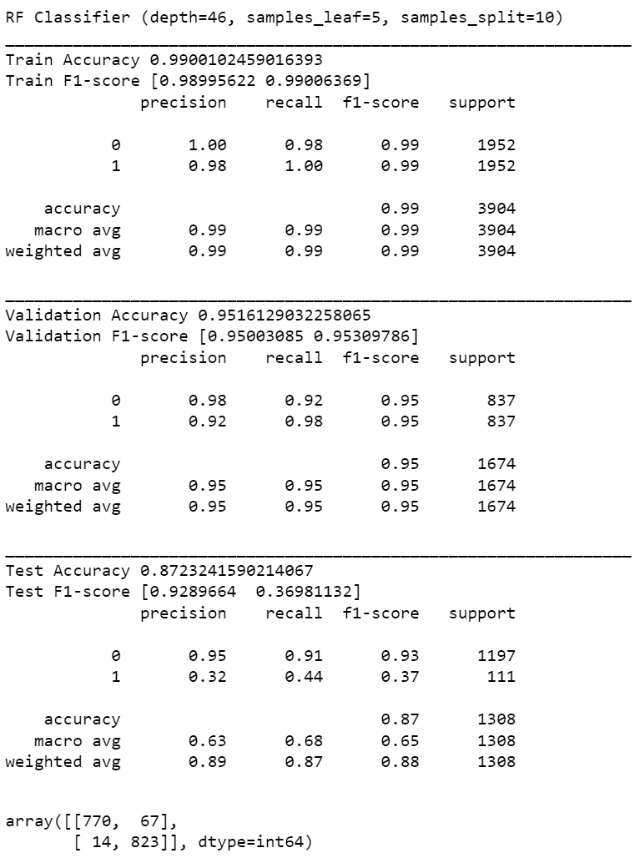
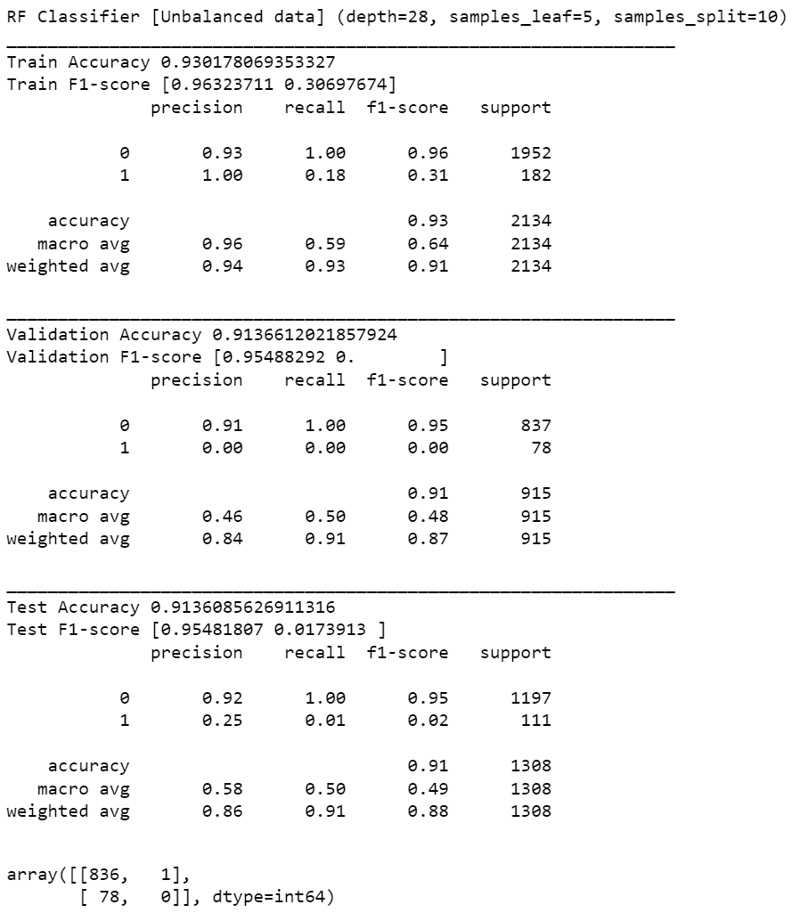
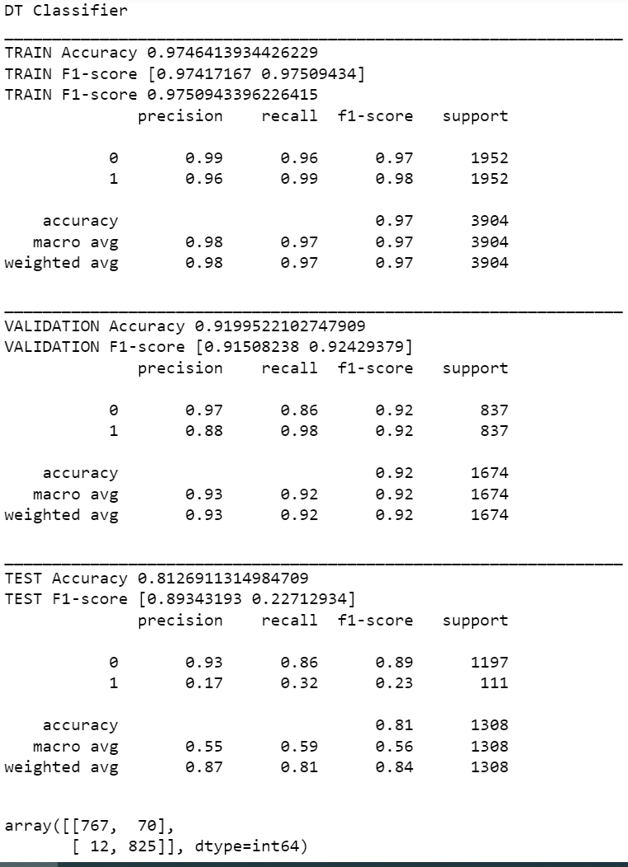
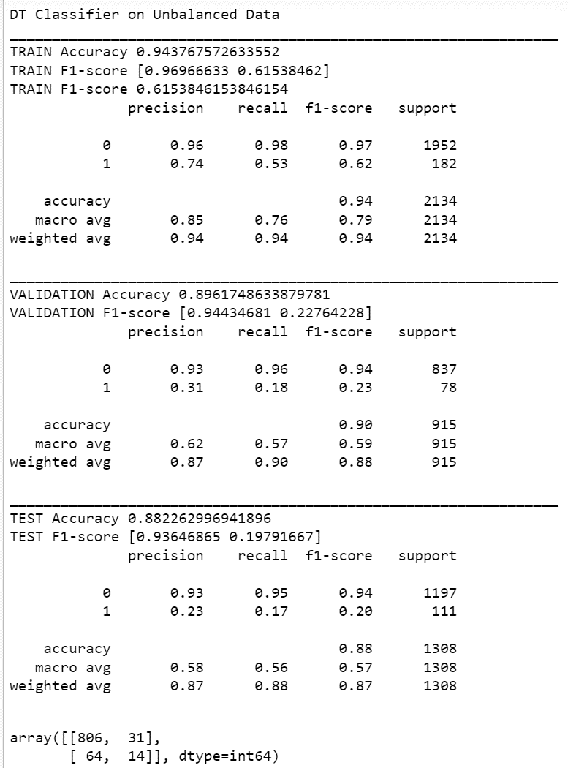
Decision Tree classifier
SETS |  |  | Precision | Recall | f1-score | Support | Accuracy | Weighted Average
Balanced | D.tr (Train) | 0 | 0.99 | 0.96 | 0.97 | 1952 | 0.97 | 0.97
 |  | 1 | 0.96 | 0.99 | 0.97 | 1952
 | D.val (Validation) | 0 | 0.97 | 0.86 | 0.92 | 837 | 0.92 | 0.92
 |  | 1 | 0.88 | 0.97 | 0.92 | 837
Unbalanced | D.tr (Train) | 0 | 0.96 | 0.98 | 0.97 | 1952 | 0.94 | 0.94
 |  | 1 | 0.74 | 0.53 | 0.62 | 182
 | D.val (Validation) | 0 | 0.93 | 0.96 | 0.94 | 837 | 0.90 | 0.89
 |  | 1 | 0.31 | 0.18 | 0.23 | 78

 | Test | 0 | 0.93 | 0.86 | 0.89 | 1197 | 0.81 | 0.84
 |  | 1 | 0.17 | 0.32 | 0.23 | 111

Random Forest classifier
SETS |  |  | Precision | Recall | f1-score | Support | Accuracy | Weighted Average
Balanced | D.tr (Train) | 0 | 1.00 | 0.98 | 0.99 | 1952 | 0.99 | 0.99
 |  | 1 | 0.98 | 1.00 | 0.99 | 1952
 | D.val (Validation) | 0 | 0.98 | 0.92 | 0.95 | 837 | 0.95 | 0.95
 |  | 1 | 0.93 | 0.98 | 0.95 | 837
Unbalanced | D.tr (Train) | 0 | 0.93 | 1.00 | 0.96 | 1952 | 0.93 | 0.91
 |  | 1 | 1.00 | 0.18 | 0.31 | 182
 | D.val (Validation) | 0 | 0.91 | 1.00 | 0.95 | 837 | 0.91 | 0.87
 |  | 1 | 0.00 | 0.00 | 0.00 | 78

 | Random Forest classifier
 | SETS |  | Precision | Recall | f1-score | Support | Accuracy | Weighted Average
 | Test | 0 | 0.95 | 0.91 | 0.93 | 1197 | 0.87 | 0.88
 |  | 1 | 0.32 | 0.44 | 0.37 | 111

KNN
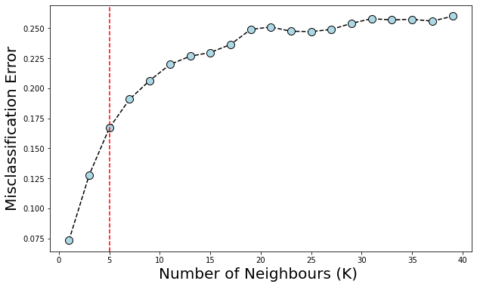
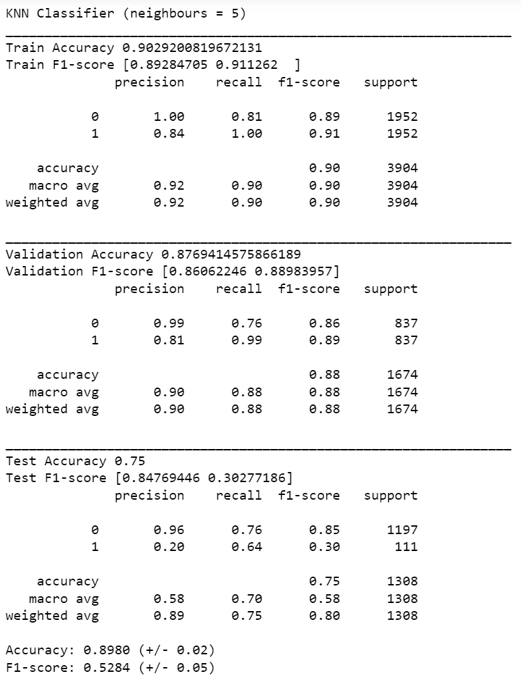
KNN classifier
SETS |  |  | Precision | Recall | f1-score | Support | Accuracy | Weighted Average
Balanced | D.tr (Train) | 0 | 1.00 | 0.81 | 0.89 | 1952 | 0.90 | 0.90
 |  | 1 | 0.84 | 1.00 | 0.91 | 1952
 | D.val (Validation) | 0 | 0.99 | 0.76 | 0.86 | 837 | 0.88 | 0.88
 |  | 1 | 0.81 | 0.99 | 0.89 | 837

